Guideline
 | Guideline to make ESE Release Package

1. | In GitHub, make a release branch with the base of latest source code from develop branch
 |  | release/ESE/<release version>: used for official release
 |  | release/RC/<release version>: used for release candidate
 | Check out this new branch

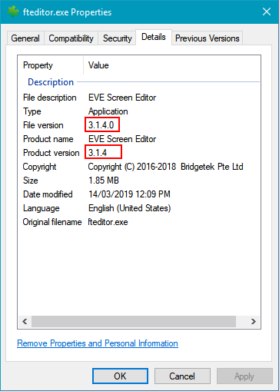
2. | In local repository, open /fteditor/version.h
 | Update VERSION_MAJOR, VERSION_MINOR, VERSION_BUILD

3. | In Visual Studio, build ESE with release mode
 | Hereafter, we call build folder as <ESE release>
 | Once build done, check properties of "fteditor.exe"
 | (Check all infos, also focus to red boundary in attached image)

4. | Copy these folders below from <local repository>/fteditor/ to <ESE release>/
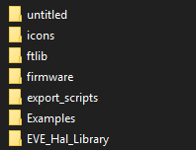

 | Copy <local repository>/fteditor/astcenc.exe to <ESE release>/
 | Copy <local repository>/fteditor/*.py to <ESE release>/

5. | Run <Qt folder>/msvc2017bin/windeploy.exe --release --force --no-translations <ESE release>/fteditor.exe

6. | Copy <local repository>/deployment/ese/* to <ESE release>

7. | In <ESE release>/prerelease.txt
 | Update this file as desired.

8. | In <ESE release>/setup.iss
 | (Install Inno Setup if need: http://www.jrsoftware.org/isdl.php#stable)

 | Edit app version at the line: #define MyAppVersion "V3.1.2"
 | Review the list of files and folders at [Files] section
 | Once done, press Ctrl + F9 to compile

9. | Once compiled, press F9 to run installation file.
 | Going step by step to verify installing process.
 | If any wrong found, back to appropriate step above then fix.
 | Loop until all things are fine.

10. | Run the newly installed ESE.
 | Perform smoke test to make sure all necessary files are installed
 | Refer to the next sheet "Python Preparing"

11. | Go to this link: https://github.com/ftdichipsg/FT8XXEMU/releases
 | Click button "Draft a new release"
 | Fill in data then click "Publish release"

 | DONE

Python Preparing
 | Python Preparing for Installation Package

1. | Make sure all necessary libraries are installed.
 | They are pilow, png.

2. | Copy <python installation>/Lib/*.py to <ESE release>/Lib/
 | Copy these folders below to folder <ESE release>/Lib/
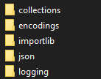

3. | Copy <python installation>/Lib/site-packages/PIL to <ESE release>/Lib/site-packages
 | Copy <python installation>/Lib/site-packages/png.py to <ESE release>/Lib/site-packages

 | DONE

